Figures
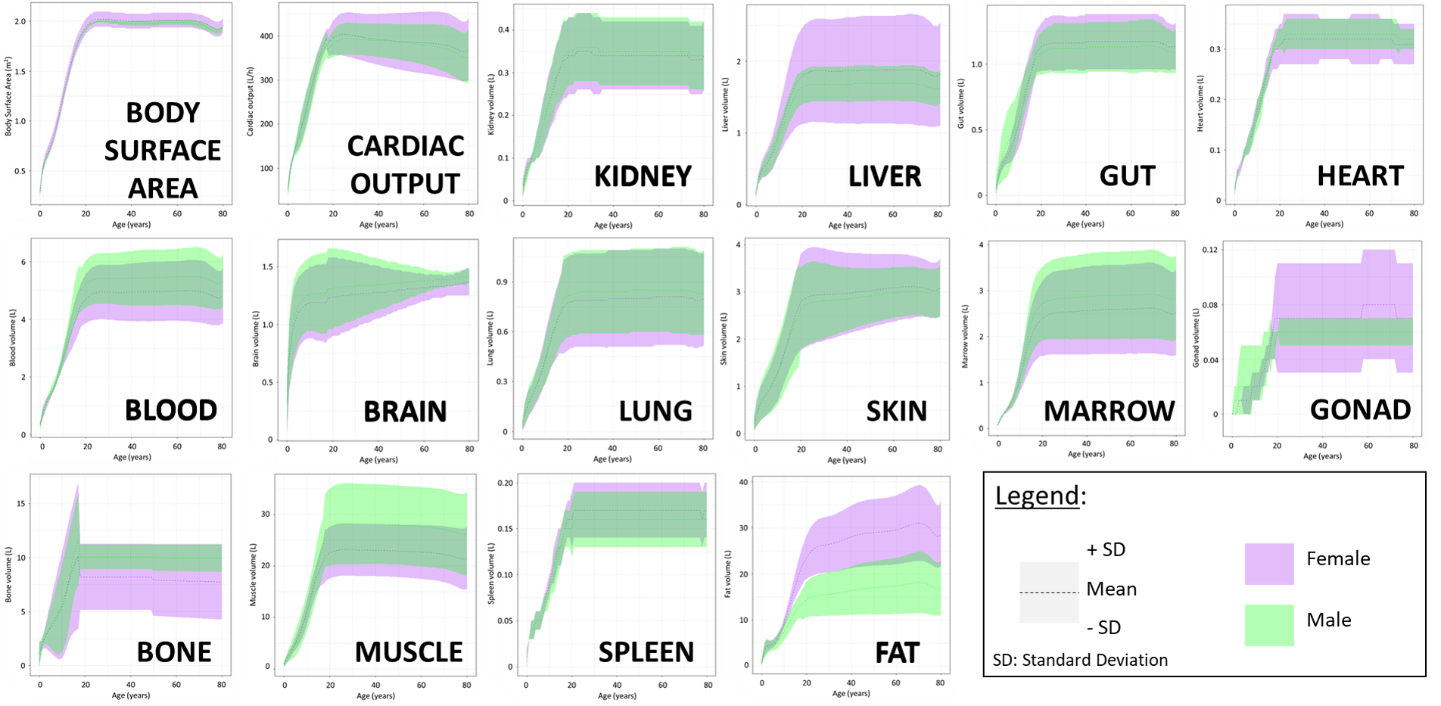

SOURCES
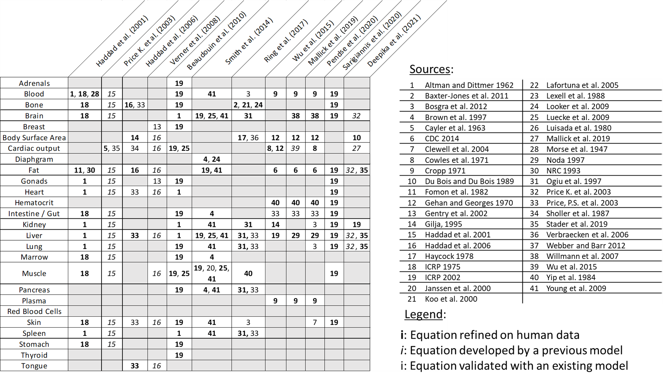
ID (Table 2) | References | DOI | Citation | Table: Summary of the original sources of the lifetime physiological equations
1 | Altman and Dittmer 1962 | / | Biological Handbook : Growth, Including Reproduction and Morphological Development . Compiled and edited by Philip L. Altman and Dorothy S. Dittmer. Federation of American Societies for Experimental Biology, Washington, D.C., 1962. xiv + 608 pp. Illus. $ 12.50. Science, 140(3567), 638‑639. https://doi.org/10.1126/science.140.3567.638.c
2 | Baxter-Jones et al. 2011 | 10.1002/jbmr.412 | Baxter-Jones, A. D., Faulkner, R. A., Forwood, M. R., Mirwald, R. L., & Bailey, D. A. (2011). Bone mineral accrual from 8 to 30 years of age : An estimation of peak bone mass. Journal Of Bone And Mineral Research, 26(8), 1729‑1739. https://doi.org/10.1002/jbmr.412
Lifetime | Beaudouin et al. 2010 | 10.1016/j.yrtph.2010.01.005 | Beaudouin, R., Micallef, S., & Brochot, C. (2010). A stochastic whole-body physiologically based pharmacokinetic model to assess the impact of inter-individual variability on tissue dosimetry over the human lifespan. Regulatory Toxicology And Pharmacology, 57(1), 103‑116. https://doi.org/10.1016/j.yrtph.2010.01.005
3 | Bosgra et al. 2012 | 10.3109/10408444.2012.709225 | Bosgra, S., Van Eijkeren, J., Bos, P., Zeilmaker, M. J., & Slob, W. (2012). An improved model to predict physiologically based model parameters and their inter-individual variability from anthropometry. Critical Reviews In Toxicology, 42(9), 751‑767. https://doi.org/10.3109/10408444.2012.709225
4 | Brown et al. 1997 | 10.1177/074823379701300401 | Brown, R. P., Delp, M. D., Lindstedt, S. L., Rhomberg, L. R., & Beliles, R. P. (1997). Physiological Parameter Values for Physiologically Based Pharmacokinetic Models. Toxicology And Industrial Health, 13(4), 407‑484. https://doi.org/10.1177/074823379701300401
5 | Cayler et al. 1963 | 10.1542/peds.32.2.186 | Cayler, G. G., Rudolph, A. M., & Nadas, A. S. (1963). SYSTEMIC BLOOD FLOW IN INFANTS AND CHILDREN WITH AND WITHOUT HEART DISEASE. Pediatrics, 32(2), 186‑201. https://doi.org/10.1542/peds.32.2.186
6 | CDC 2014 | / | NHANES Questionnaires, Datasets, and Related Documentation. (s. d.). https : //wwwn.cdc.gov/nchs/nhanes/
7 | Clewell et al. 2004 | 10.1093/toxsci/kfh109 | Clewell, H. J., Gentry, P. R., Covington, T. R., Sarangapani, R., & Teeguarden, J. G. (2004). Evaluation of the Potential Impact of Age- and Gender-Specific Pharmacokinetic Differences on Tissue Dosimetry 2Current address : Novartis Pharmaceuticals, East Hanover, NJ 07936. Toxicological Sciences, 79(2), 381‑393. https://doi.org/10.1093/toxsci/kfh109
8 | Cowles et al. 1971 | 10.1097/00000542-197111000-00013 | Cowles, A. L., Borgstedt, H. H., & Gillies, A. J. (1971). Tissue Weights and Rates of Blood Flow in Man for the Prediction of Anesthetic Uptake and Distribution. Anesthesiology, 35(5), 523‑526. https://doi.org/10.1097/00000542-197111000-00013
9 | Cropp 1971 | 10.1016/S0022-3476(71)80004-5 | Cropp, J. G. (1971). Changes in blood and plasma volumes during growth. The Journal Of Pediatrics, 78(2), 220‑229. https://doi.org/10.1016/s0022-3476(71)80004-5
Lifetime | Deepika et al. (2021) | 10.1016/j.envres.2021.111287 | Deepika, D., Sharma, R. P., Schuhmacher, M., & Kumar, V. (2021). Risk Assessment of Perfluorooctane Sulfonate (PFOS) using Dynamic Age Dependent Physiologically based Pharmacokinetic Model (PBPK) across Human Lifetime. Environmental Research, 199, 111287. https://doi.org/10.1016/j.envres.2021.111287
10 | Du Bois and Du Bois 1989 | / | Du Bois D, Du Bois EF. 1989. A formula to estimate the approximate surface area if height and weight be known. 1916. Nutrition 5: 303–311; discussion 312.
11 | Fomon et al. 1982 | 10.1093/ajcn/35.5.1169 | Fomon, S. J., Haschke, F., Ziegler, E. E., & Nelson, S. E. (1982). Body composition of reference children from birth to age 10 years. The American Journal Of Clinical Nutrition, 35(5), 1169‑1175. https://doi.org/10.1093/ajcn/35.5.1169
12 | Gehan and Georges 1970 | / | Gehan, E. A., & George, S. L. (1970). Estimation of human body surface area from height and weight. PubMed, 54(4), 225‑235. https://pubmed.ncbi.nlm.nih.gov/5527019
13 | Gentry et al. 2002 | 10.1006/rtph.2002.1540 | Gentry, P. R., Covington, T. R., Andersen, M. E., & Clewell, H. J. (2002). Application of a Physiologically Based Pharmacokinetic Model for Isopropanol in the Derivation of a Reference Dose and Reference Concentration. Regulatory Toxicology And Pharmacology, 36(1), 51‑68. https://doi.org/10.1006/rtph.2002.1540
14 | Gilja, 1995 | 10.7863/jum.1995.14.2.81 | Gilja, O. H., Hausken, T., Ødegaard, S., & Berstad, A. (1995). Monitoring postprandial size of the proximal stomach by ultrasonography. Journal Of Ultrasound In Medicine, 14(2), 81‑89. https://doi.org/10.7863/jum.1995.14.2.81
15 + Lifetime | Haddad et al. 2001 | 10.1080/152873901753215911 | Haddad, S., Restieri, C., & Krishnan, K. (2001). CHARACTERIZATION OF AGE-RELATED CHANGES IN BODY WEIGHT AND ORGAN WEIGHTS FROM BIRTH TO ADOLESCENCE IN HUMANS. Journal Of Toxicology And Environmental Health, 64(6), 453‑464. https://doi.org/10.1080/152873901753215911
16 | Haddad et al. 2006 | 10.1080/15287390600631789 | Haddad, S., Tardif, G., & Tardif, R. (2006). Development of Physiologically Based Toxicokinetic Models for Improving the Human Indoor Exposure Assessment to Water Contaminants : Trichloroethylene and Trihalomethanes. Journal Of Toxicology And Environmental Health, 69(23), 2095‑2136. https://doi.org/10.1080/15287390600631789
17 | Haycock 1978 | 10.1016/s0022-3476(78)80601-5 | Haycock, G. B., Schwartz, G. J., & Wisotsky, D. H. (1978). Geometric method for measuring body surface area : A height-weight formula validated in infants, children, and adults. The Journal Of Pediatrics, 93(1), 62‑66. https://doi.org/10.1016/s0022-3476(78)80601-5
18 | ICRP 1975 | / | ICRP, 1975. Report of the Task Group on Reference Man. ICRP Publication 23. Pergamon Press, Oxford
19 | ICRP 2002 | / | ICRP, 2002. Basic Anatomical and Physiological Data for Use in Radiological Protection Reference Values. ICRP Publication 89. Ann. ICRP 32 (3-4).
20 | Janssen et al. 2000 | 10.1152/jappl.2000.89.1.81 | Janssen, I., Heymsfield, S. B., Wang, Z., & Ross, R. (2000). Skeletal muscle mass and distribution in 468 men and women aged 18–88 yr. Journal Of Applied Physiology, 89(1), 81‑88. https://doi.org/10.1152/jappl.2000.89.1.81
21 | Koo et al. 2000 | 10.1093/jn/130.9.2188 | Koo, W., Walters, J., & Hockman, E. M. (2000). Body Composition in Human Infants at Birth and Postnatally. The Journal Of Nutrition, 130(9), 2188‑2194. https://doi.org/10.1093/jn/130.9.2188
22 | Lafortuna et al. 2005 | 10.1038/sj.ijo.0802955 | Lafortuna, C. L., Maffiuletti, N. A., Agosti, F., & Sartório, A. (2005). Gender variations of body composition, muscle strength and power output in morbid obesity. International Journal Of Obesity, 29(7), 833‑841. https://doi.org/10.1038/sj.ijo.0802955
23 | Lexell et al. 1988 | 10.1016/0022-510X(88)90132-3 | Lexell, J., Taylor, C., & Sjöstróm, M. (1988). What is the cause of the ageing atrophy? Journal Of The Neurological Sciences, 84(2‑3), 275‑294. https://doi.org/10.1016/0022-510x(88)90132-3
24 | Looker et al. 2009 | 10.1007/s00198-008-0809-6 | Looker, A. C., Melton, L. J., Harris, T. B., Borrud, L. G., Shepherd, J., & McGowan, J. A. (2008). Age, gender, and race/ethnic differences in total body and subregional bone density. Osteoporosis International, 20(7), 1141‑1149. https://doi.org/10.1007/s00198-008-0809-6
25 | Luecke et al. 2009 | 10.1080/15287390601172056 | Luecke, R. H., Pearce, B. A., Wosilait, W. D., Slikker, W., & Young, J. F. (2007). Postnatal Growth Considerations for PBPK Modeling. Journal Of Toxicology And Environmental Health, 70(12), 1027‑1037. https://doi.org/10.1080/15287390601172056
26 | Luisada et al. 1980 | 10.1177/000331978003100201 | Luisada, A. A., Bhat, P., & Knighten, V. (1980). Changes of Cardiac Output Caused by Aging : An Impedance Cardiographic Study. Angiology, 31(2), 75‑81. https://doi.org/10.1177/000331978003100201
27 + Lifetime | Mallick et al. 2019 | 10.1093/toxsci/kfz211 | Mallick, P., Moreau, M., Song, G., Efremenko, A., Pendse, S. N., Creek, M. R., Osimitz, T. G., Hines, R. N., Hinderliter, P. M., Clewell, H. J., Lake, B. G., & Yoon, M. (2019). Development and Application of a Life-Stage Physiologically Based Pharmacokinetic (PBPK) Model to the Assessment of Internal Dose of Pyrethroids in Humans. Toxicological Sciences, 173(1), 86‑99. https://doi.org/10.1093/toxsci/kfz211
28 | Morse et al. 1947 | 10.1152/ajplegacy.1947.151.2.448 | Morse, M., Cassels, D. E., & Schlutz, F. W. (1947). BLOOD VOLUMES OF NORMAL CHILDREN. American Journal Of Physiology/The American Journal Of Physiology, 151(2), 448‑458. https://doi.org/10.1152/ajplegacy.1947.151.2.448
29 | Noda 1997 | 10.1007/s002470050114 | Noda, T., Todani, T., Watanabe, Y., & Yamamoto, S. (1997). Liver volume in children measured by computed tomography. Pediatric Radiology, 27(3), 250‑252. https://doi.org/10.1007/s002470050114
30 | NRC 2003 | 10.17226/2126 | National Research Council (US) Committee on Pesticides in the Diets of Infants and Children. Pesticides in the Diets of Infants and Children. Washington (DC): National Academies Press (US); 1993. PMID: 25144038.
31 | Ogiu et al. 1997 | 10.1097/00004032-199703000-00004 | Ogiu, N., Nakamura, Y., Ijiri, I., Hiraiwa, K., & Ogiu, T. (1997). A Statistical Analysis of the Internal Organ Weights of Normal Japanese People. Health Physics, 72(3), 368‑383. https://doi.org/10.1097/00004032-199703000-00004
Lifetime | Pendse et al. 2020 | 10.1016/j.comtox.2019.100115 | Pendse, S. N., Efremenko, A., Hack, C. E., Moreau, M., Mallick, P., Dzierlenga, M. W., Nicolas, C. I., Yoon, M., Clewell, H. J., & McMullen, P. D. (2020). Population Life-course exposure to health effects model (PLETHEM) : An R package for PBPK modeling. Computational Toxicology, 13, 100115. https://doi.org/10.1016/j.comtox.2019.100115
32+Lifetime | Price K. et al. 2003 | 10.1080/15287390306450 | Price, K., Haddad, S., & Krishnan, K. (2003). Physiological Modeling of Age-Specific Changes in the Pharmacokinetics of Organic Chemicals in Children. Journal Of Toxicology And Environmental Health, 66(5), 417‑433. https://doi.org/10.1080/15287390306450
33 | Price P.S. et al. 2003 | 10.1080/10408440390242324 | Price, P. S., Conolly, R. B., Chaisson, C. F., Gross, E. A., Young, J. S., Mathis, E. T., & Tedder, D. R. (2003). Modeling Interindividual Variation in Physiological Factors Used in PBPK Models of Humans. Critical Reviews In Toxicology, 33(5), 469‑503. https://doi.org/10.1080/10408440390242324
Lifetime | Ring et al. 2017 | 10.1016/j.envint.2017.06.004 | Ring, C., Pearce, R. G., Setzer, R. W., Wetmore, B. A., & Wambaugh, J. F. (2017). Identifying populations sensitive to environmental chemicals by simulating toxicokinetic variability. Environment International, 106, 105‑118. https://doi.org/10.1016/j.envint.2017.06.004
Lifetime | Sarigiannis et al. 2020 | 10.1016/j.envres.2020.109307 | Sarigiannis, D., Karakitsios, S., Handakas, E., & Gotti, A. (2020). Development of a generic lifelong physiologically based biokinetic model for exposome studies. Environmental Research, 185, 109307. https://doi.org/10.1016/j.envres.2020.109307
34 | Sholler et al. 1987 | 10.1016/0002-9149(87)90363-8 | Sholler, G. F., Celermajer, J. M., Whight, C. M., & Bauman, A. (1987). Echo Doppler assessment of cardiac output and its relation to growth in normal infants. The American Journal Of Cardiology, 60(13), 1112‑1116. https://doi.org/10.1016/0002-9149(87)90363-8
Lifetime | Smith et al. 2014 | 10.1016/j.yrtph.2013.10.005 | Smith, J. N., Hinderliter, P. M., Timchalk, C., Bartels, M., & Poet, T. S. (2014). A human life-stage physiologically based pharmacokinetic and pharmacodynamic model for chlorpyrifos : Development and validation. Regulatory Toxicology And Pharmacology, 69(3), 580‑597. https://doi.org/10.1016/j.yrtph.2013.10.005
35 | Stader et al. 2019 | 10.1007/s40262-018-0709-7 | Stader, F., Siccardi, M., Battegay, M., Kinvig, H., Penny, M. A., & Marzolini, C. (2018). Repository Describing an Aging Population to Inform Physiologically Based Pharmacokinetic Models Considering Anatomical, Physiological, and Biological Age-Dependent Changes. Clinical Pharmacokinetics, 58(4), 483‑501. https://doi.org/10.1007/s40262-018-0709-7
36 | Verbraecken et al. 2006 | 10.1016/j.metabol.2005.11.004 | Verbraecken, J., Van de Heyning, P., De Backer, W., & Van Gaal, L. (2006). Body surface area in normal-weight, overweight, and obese adults. A comparison study. Metabolism, Clinical And Experimental, 55(4), 515‑524. https://doi.org/10.1016/j.metabol.2005.11.004
Lifetime | Verner et al. 2008 | 10.1289/ehp.10917 | Verner, M., Charbonneau, M., López‐Carrillo, L., & Haddad, S. (2008). Physiologically Based Pharmacokinetic Modeling of Persistent OrganicPollutants for Lifetime Exposure Assessment : A New Tool in Breast CancerEpidemiologic Studies. Environmental Health Perspectives, 116(7), 886‑892. https://doi.org/10.1289/ehp.10917
37 | Webber and Barr 2012 | 10.1007/s13539-011-0042-6 | Webber, C. E., & Barr, R. D. (2011). Age‐ and gender‐dependent values of skeletal muscle mass in healthy children and adolescents. Journal Of Cachexia, Sarcopenia And Muscle, 3(1), 25‑29. https://doi.org/10.1007/s13539-011-0042-6
38 | Willmann et al. 2007 | 10.1007/s10928-007-9053-5 | Willmann, S., Höhn, K., Edginton, A. N., Sevestre, M., Solodenko, J., Weiß, W., Lippert, J., & Schmitt, W. (2007). Development of a Physiology-Based Whole-Body Population Model for Assessing the Influence of Individual Variability on the Pharmacokinetics of Drugs. Journal Of Pharmacokinetics And Pharmacodynamics, 34(3), 401‑431. https://doi.org/10.1007/s10928-007-9053-5
39 + Lifetime | Wu et al. 2015 | 10.1016/j.envint.2015.05.006 | Wu, H., Yoon, M., Verner, M., Xue, J., Luo, M., Andersen, M. E., Longnecker, M. P., & Clewell, H. J. (2015). Can the observed association between serum perfluoroalkyl substances and delayed menarche be explained on the basis of puberty-related changes in physiology and pharmacokinetics ? Environment International, 82, 61‑68. https://doi.org/10.1016/j.envint.2015.05.006
41 | Yip et al. 1984 | 10.1093/ajcn/39.3.427 | Yip, R., Johnson, C., & Dallman, P. R. (1984). Age-related changes in laboratory values used in the diagnosis of anemia and iron deficiency. The American Journal Of Clinical Nutrition, 39(3), 427‑436. https://doi.org/10.1093/ajcn/39.3.427
41 | Young et al. 2009 | 10.1080/15287390802647203 | Young, J. F., Luecke, R. H., Pearce, B. A., Lee, T., Ahn, H., Baek, S., Moon, H., Dye, D. W., Davis, T. M., & Taylor, S. G. (2009). Human Organ/Tissue Growth Algorithms that Include Obese Individuals and Black/White Population Organ Weight Similarities from Autopsy Data. Journal Of Toxicology And Environmental Health, 72(8), 527‑540. https://doi.org/10.1080/15287390802647203

